Indian IDR


Sheet2
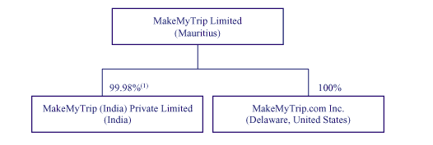

ADR | ADRs help Indian companies to raise capital from USA markets
GDR | GDRs help Indian companies to raise capital from foreign markets
IDR | IDRs help foreign companies raise money from Indian investors.

